Help Sheet
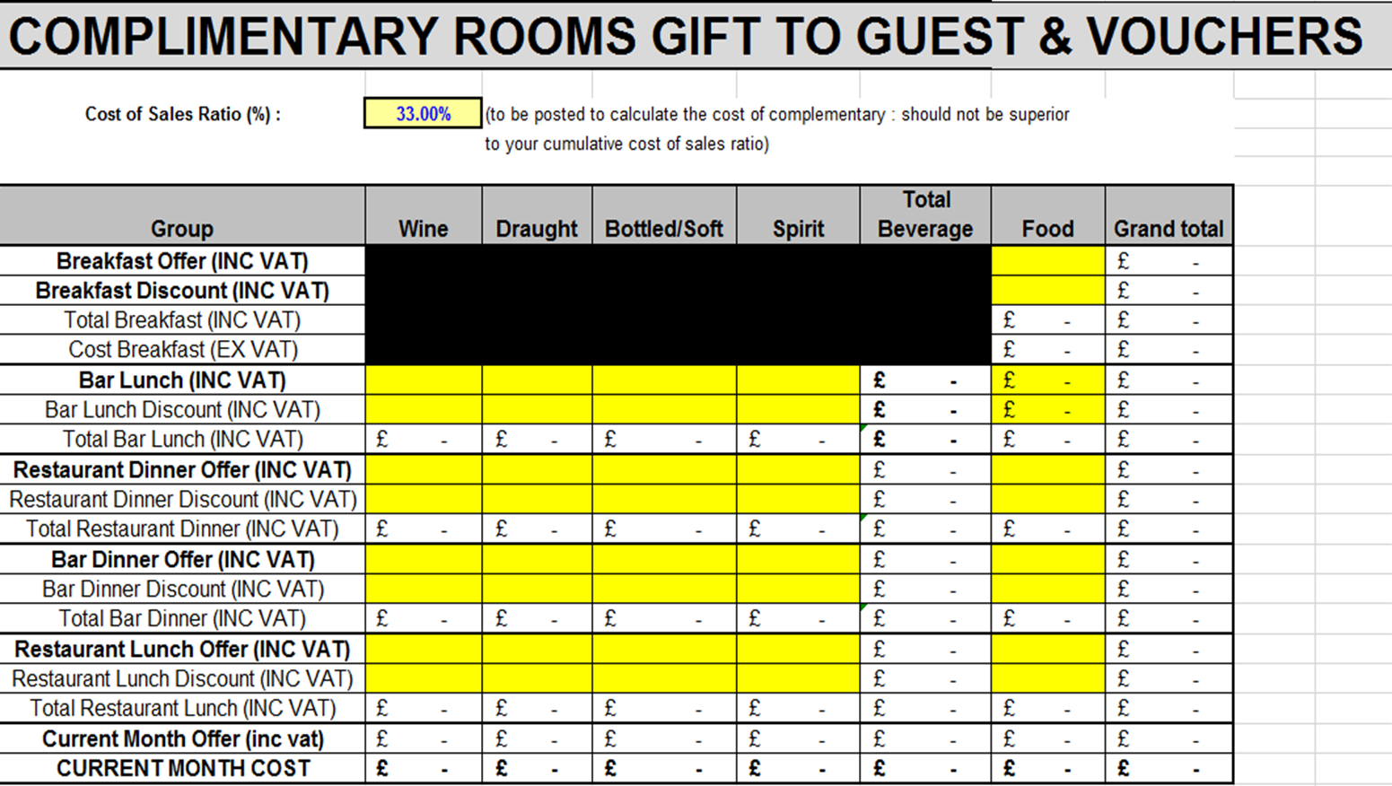
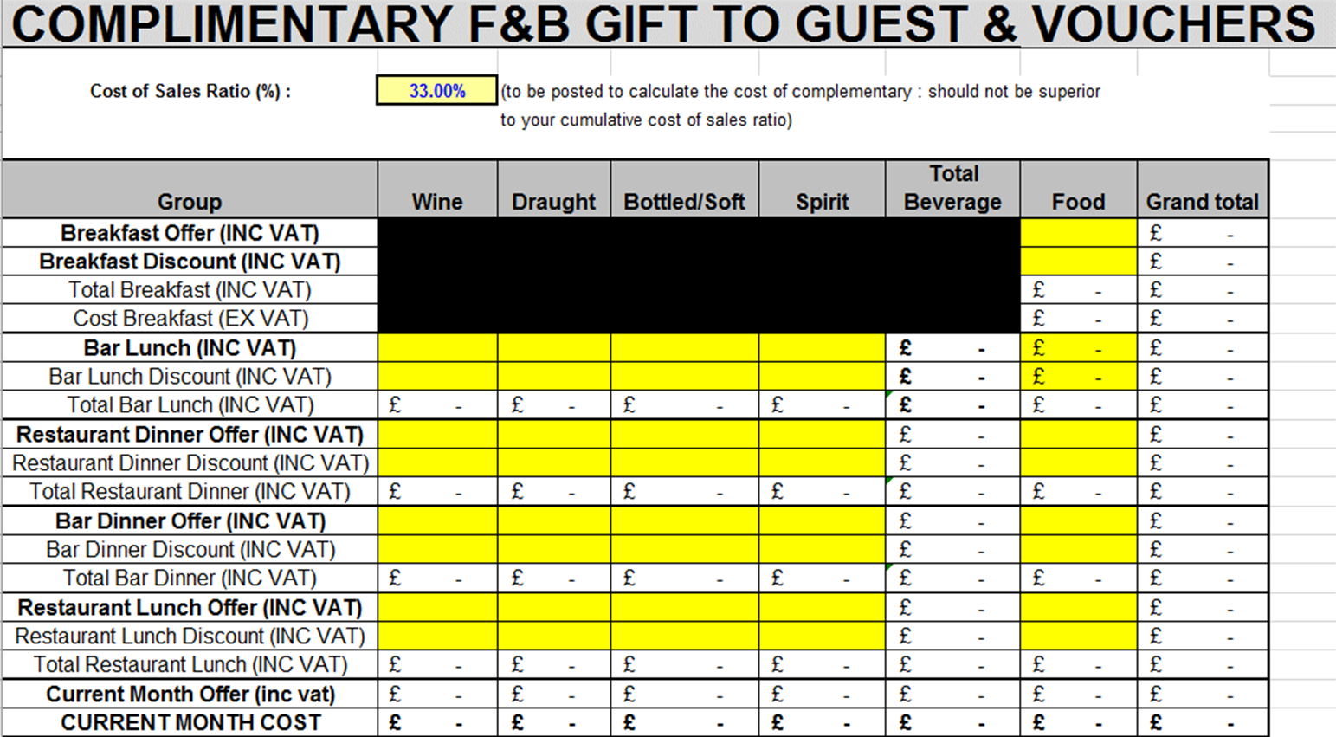
F&B totals from VR
Total F&B Revenue on Bizzon
Formula calculates all invoices processed in current month.
Total Stock Value calculated on last day of month
Closing stock figure from previous months Marge Brut.
Closing stock figure from previous month's Marge Brut.
Formula which calculates all invoices processed in current month.
Value of stock which hotel has calculated on last day of month
Current month complimentaries.
Current month complimentaries.

Marge Brut | TURNOVER |  | STOCK |  |  |  | TOTAL |  |  |  | Consumption | Ratio %
Summary | Incl. | Excl. VAT | Opening | Purchases | Reverse | New | All | Closing | Staff | Complimentary. | Month | M.B.
 | VAT | Month | Stock |  | Provisions | Provisions | Stocks | Stock | Meal |  |  | Month
TOTAL FOOD | 18,629.87 | 15,524.89 | 2,914.98 | 7,355.93 | 1,885.52 | 2,531.68 | 10,917.07 | 2,847.93 | 1,108.80 | 28.51 | 6,931.83 | 44.65%
Total Food - (Breakfast) | 2,147.47 | 1,789.56 | 786.67 | 558.60 | 196.40 | 266.05 | 1,414.92 | 732.28 |  | 28.51 | 654.13 | 36.55%
Total Breakfast | 16,482.40 | 13,735.33 | 2,128.31 | 6,797.33 | 1,689.12 | 2,265.63 | 9,502.15 | 2,115.65 |  | 0.00 | 7,386.50 | 53.78%
WINES | 1,714.87 | 1,429.06 | 796.90 | 558.18 | 437.45 | 0.00 | 917.63 | 343.13 |  | 94.59 | 479.91 | 33.58%
BEER | 3,006.51 | 2,505.43 | 877.92 | 1,211.63 | 738.38 | 0.00 | 1,351.17 | 394.19 |  | 69.54 | 887.44 | 35.42%
BOTTLED / SOFT | 2,398.71 | 1,998.93 | 1,181.26 | 592.35 | 623.00 | 0.00 | 1,150.61 | 721.47 |  | 31.88 | 397.26 | 19.87%
SPIRIT | 2,720.88 | 2,267.40 | 855.57 | 519.47 | 409.05 | 0.00 | 965.99 | 368.54 |  | 28.18 | 569.27 | 25.11%
TOTAL BEVERAGE | 9,840.98 | 8,200.82 | 3,711.65 | 2,881.63 | 2,207.88 | 0.00 | 4,385.40 | 1,827.33 |  | 224.19 | 2,333.88 | 28.46%
GRAND TOTAL VR | 28,470.85 | 23,725.71 | 6,626.63 | 10,237.56 | 4,093.40 | 2,531.68 | 15,302.47 | 4,675.26 | 1,108.80 | 252.70 | 9,265.71 | 39.05%
GRAND TOTAL FOLS | 28,470.85 |  |  | £0.00 | Must be 0
Total of meals for the month given to staff.
Total value of meals for the month given to staff.
Purchases Control | Beverage |  |  | £0.00 | Must be 0 |  |  | by accountant
Purchases Control | Food |  |  | £0.00 | Must be 0 |  |  | by hotel
Total F&B Revenue on Fols
 |  |  |  |  |  |  |  | Accountant
F&B totals from Fols

TURNOVER
The amount of money taken by a business in a particular period.
Extract the report from Bizzon - Montly Regulation should have been done day before to match FOLS revenue |  |  |  |  |  |  |  |  |  | Open the Excel Report received on the email > Click on "Report" tab > Scroll down to Categories section of the report |  |  | Enter the revenue per category on MB
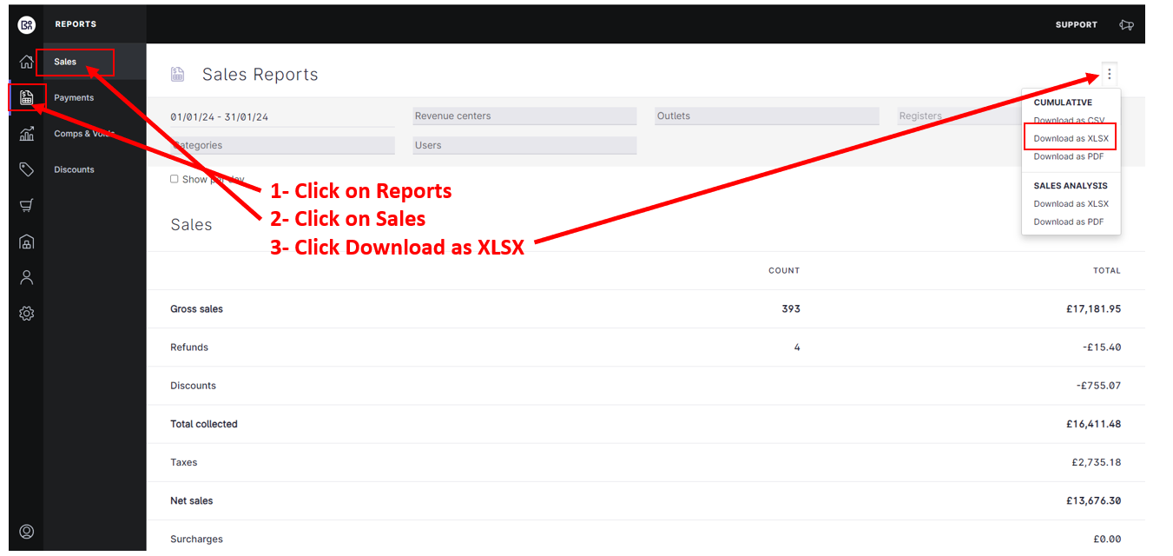
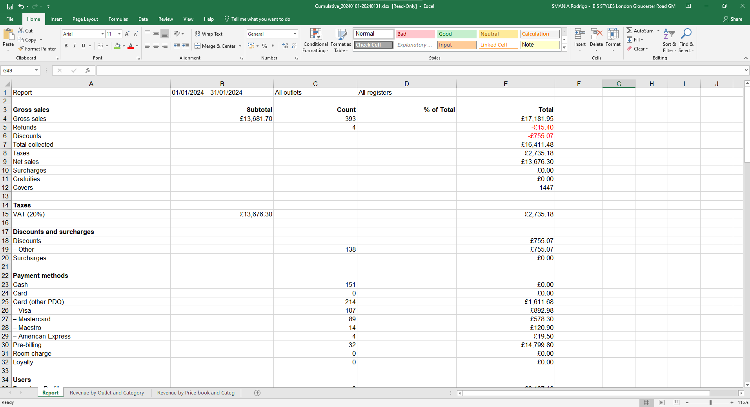
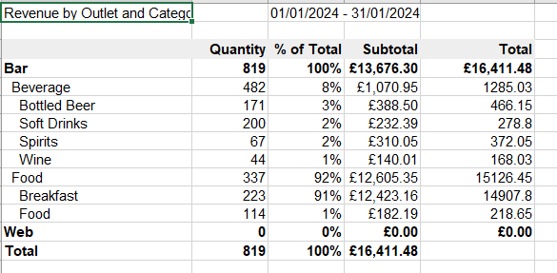
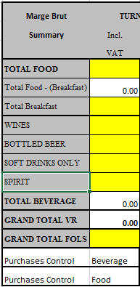

OPENING STOCK
Figures to be copied from previous month's closing stock.

PURCHASES
Total of all invoices send to accounting centre from hotel and entered into Grandback to 600100/ 600500 for the financial month

FOOD REVERSE PROVISION
Figures to be copied from previous month's F&B provisions

FOOD PROVISION
In a company's accounts, an amount of money that is kept in case of a possible future loss or debt.
In Marge Brut, this section contains FOOD INVOICE AMOUNT between END OF FINANCIAL MONTH and END OF CALENDAR MONTH.

CLOSING STOCK
The goods that a business has available for sale at the end of an accounting period, or the value of those goods.
This MONTH closing stock it will be in the next MONTH (M+1) opening stock.

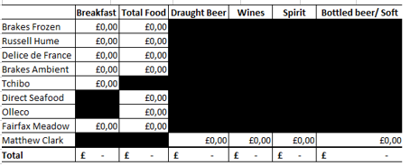

STAFF MEALS
Report number of emplyees and number of staff meals taken per employee during the month

Unit Staff Meal Cost : | £3.20

Department | FT Employee | No of meals per pers. | Total of meals | Cost | Centre
ADMIN | 2 | 21 | 42 | £0.00 | 6HA1
Reception | 10.5 | 21 | 220.5 | £0.00 | 2AA
Restaurant | 2.5 | 21 | 52.5 | £0.00 | 3AZ
Kitchen |  |  | 0 | £0.00 | 3QZ
Maintenance/ Security | 1.5 | 21 | 31.5 | £0.00 | 6MZ
Human Resource |  |  | 0 | £0.00 | 6FA
Housekeeping |  |  | 0 | £0.00 | 2GZ
TOTAL | 16.5 | 21.00 | 346.5 | £0.00

COMPLIMENTARIES SUMMARY

This section contains all FOOD & BEVERAGE operations closed in complimentary for following reasons: MANAGEMENT, MARKETING, GIFT TO GUEST, COMPLAINT, DISCOUNT

1) Management; GM/HOD with supplier/staff
2) Marketing; entertainment, event
3) Gift to guest; free drink vouchers
4) Complaint; guest complaint
5) Discounts; Taste card, 10% local companies’ loyalty discounts, 10% Leisure members discounts, Keepers

USALI project - following changes have been made to the Marge Brute:

1) Management complimentaries and complaints with the code 661150/6GZ
2) Marketing complimentaries with the code 661160/6IB7
3) Gift to guest; these complimentaries need to be split between Rooms (2CF) and F&B (3ZZ)

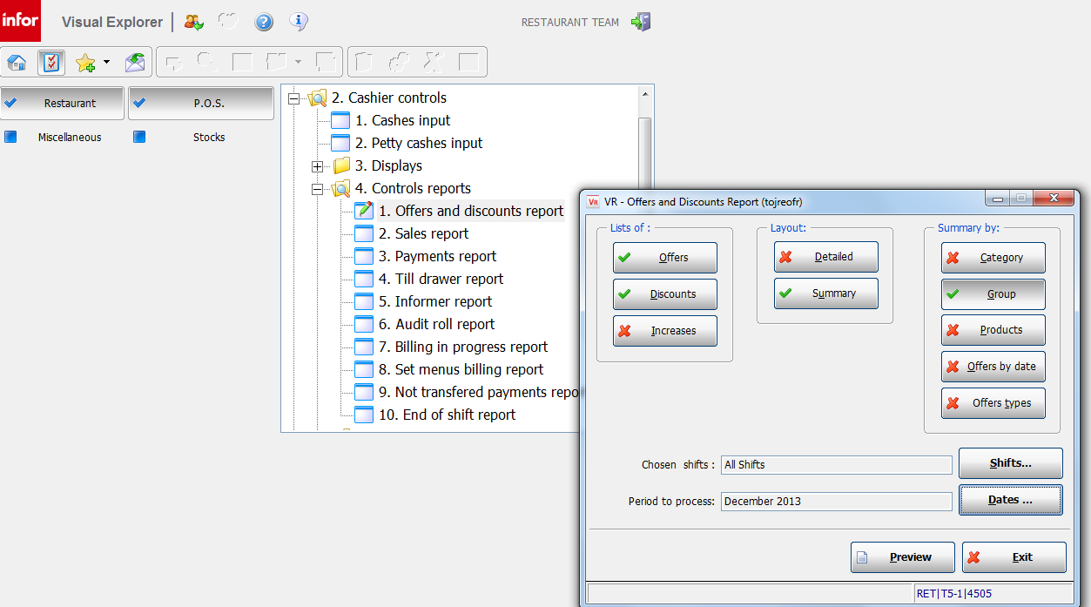

 |  |  |  |  |  |  |  |  |  |  |  | To identify all complimentaries the report needs to be run by Offers types
 |  |  |  |  |  |  |  |  |  |  |  | USALI Project - Make sure you have selected 'Offers types' Option

1) Management complimentaries and complaints with the code 661150/6GZ

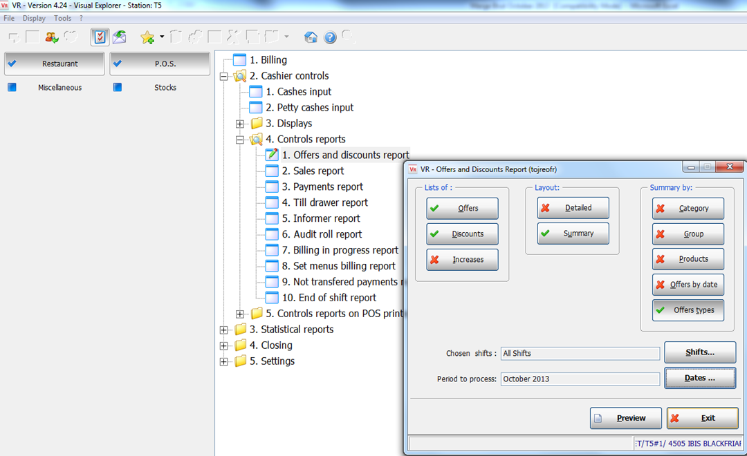



2) Marketing complimentaries with the code 661160/6IB7

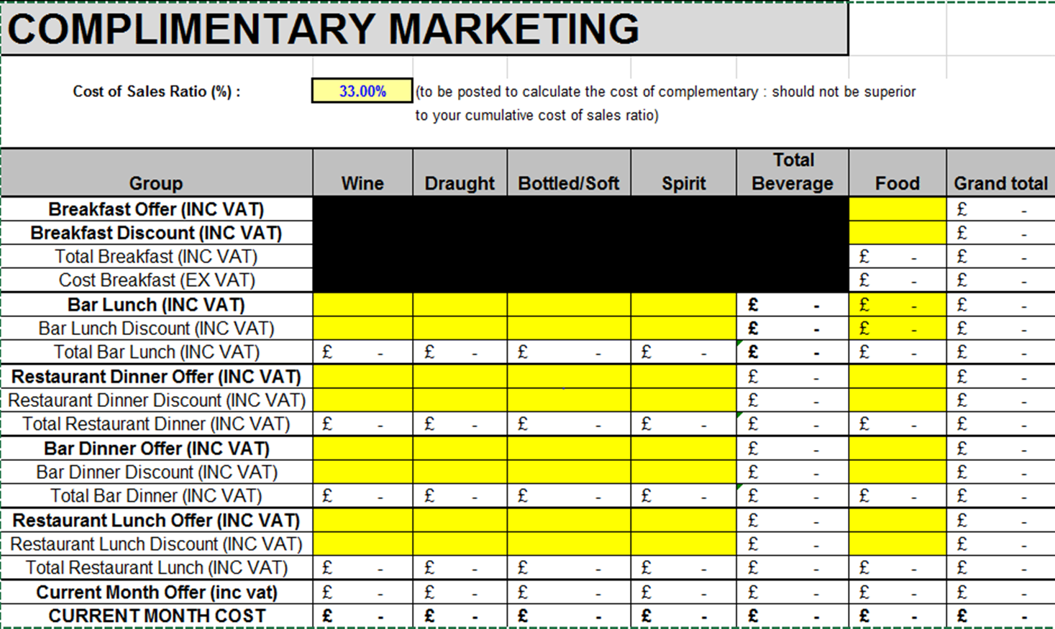

3) Gift to guest; these complimentaries need to be split between Rooms (2CF) and F&B (3ZZ)

F&B WRONG ALLOCATION
